ID3
ID3 : | Iterative Dichotomiser (ID3)

x1 | x2 | x3 | y
Outlook | Humidity | Windy | Played?
Sunny | High | Weak | No |  | Entropy is measure of impurity. It helps determine the root node.
Sunny | High | Strong | No
Overcast | High | Weak | Yes |  | Entropy : Measure of Impurity
Rain | High | Weak | Yes |  | Formula of Entropy :
Rain | Normal | Weak | Yes |  | Entropy (s) = -[P(yes) * log2P(yes)] - [P(no) * log2P(no)]
Rain | Normal | Strong | No
Overcast | Normal | Strong | Yes |  | Here:
Sunny | High | Weak | No |  | P(yes) = Proportion of +ve samples
Sunny | Normal | Weak | Yes |  | P(no) = Proportion of -ve samples
Rain | Normal | Weak | Yes
Sunny | Normal | Strong | Yes
Overcast | High | Strong | Yes |  | Information Gain(Node) = Entropy(S) - [(Weighted Avg) * Entropy(each feature)]
Overcast | Normal | Weak | Yes
Rain | High | Strong | No
 |  |  |  |  | Entropy(S) :
 |  |  |  |  | Calculations for the complete data set :
 |  |  |  |  | Total (Yes) | 9 | P(yes) : | 0.64285714286
 |  |  |  |  | Total (No) | 5 | P(no) : | 0.35714285714
 |  |  |  |  |  |  | Total records : | 14
 |  |  |  |  | P: Probability
 |  |  |  |  |  |  | -[P(yes) * log2P(yes)] : | 0.41206796146
 |  |  |  |  |  |  | -[P(no) * log2P(no)] : | 0.53050343537
 |  |  |  |  |  |  | Entropy : | 0.94257139682

Calculating Entropy of each feature:::
Calculations for "Outlook = Sunny" data set : |  |  |  |  | Calculations for "Outlook = Rain" data set : |  |  |  | Calculations for "Outlook = Overcast" data set :
Total records of Outlook-Sunny is 5 |  | P(yes) - 2 : | 0.4 |  | Total records of Outlook-Rain is 5 | P(yes) - 3 : | 0.6 |  | Total records of Outlook-Overcast is 5 | P(yes) - 4: | 1
 |  | P(no) - 3 : | 0.6 |  |  | P(no) - 2: | 0.4 |  |  | P(no) : | 0
 |  | Total records : | 5 |  |  | Total records : | 5 |  |  | Total records : | 4

 |  | -[P(yes) * log2P(yes)] : | 0.52877123795 |  |  | -[P(yes) * log2P(yes)] : | 0.4421793565 |  |  | -[P(yes) * log2P(yes)] : | 0
 |  | -[P(no) * log2P(no)] : | 0.4421793565 |  |  | -[P(no) * log2P(no)] : | 0.52877123795 |  |  | -[P(no) * log2P(no)] : | 0
 |  | Entropy (1) : | 0.97095059445 |  |  | Entropy (2) : | 0.971 |  |  | Entropy (3): | 0

Calculations for "Humidity - High" data set : |  |  |  |  | Calculations for "Humidity - Normal" data set :
Total records is 7 |  | P(yes) - 3 : | 0.42857142857 |  | Total records is 7 | P(yes) - 6 : | 0.85714285714
 |  | P(no) - 4 : | 0.57142857143 |  |  | P(no) - 1 : | 0.14285714286
 |  | Total records : | 7 |  |  | Total records : | 7

 |  | -[P(yes) * log2P(yes)] : | 0.52356431708 |  |  | -[P(yes) * log2P(yes)] : | 0.1907963872
 |  | -[P(no) * log2P(no)] : | 0.46161772645 |  |  | -[P(no) * log2P(no)] : | 0.39987727745
 |  | Entropy (1) : | 0.98518204353 |  |  | Entropy (2) : | 0.59067366465

Calculations for "Windy - Weak" data set : |  |  |  |  | Calculations for "Windy - Strong" data set :
Total records is 8 |  | P(yes) - 6 : | 0.75 |  | Total records is 6 | P(yes) - 3 : | 0.5
 |  | P(no) - 2 : | 0.25 |  |  | P(no) - 3 : | 0.5
 |  | Total records : | 8 |  |  | Total records : | 6

 |  | -[P(yes) * log2P(yes)] : | 0.31127812446 |  |  | -[P(yes) * log2P(yes)] : | 0.5
 |  | -[P(no) * log2P(no)] : | 0.5 |  |  | -[P(no) * log2P(no)] : | 0.5
 |  | Entropy (1) : | 0.81127812446 |  |  | Entropy (2) : | 1

Information Gain(Node) = Entropy(S) - [(Weighted Avg) * Entropy(each feature)]

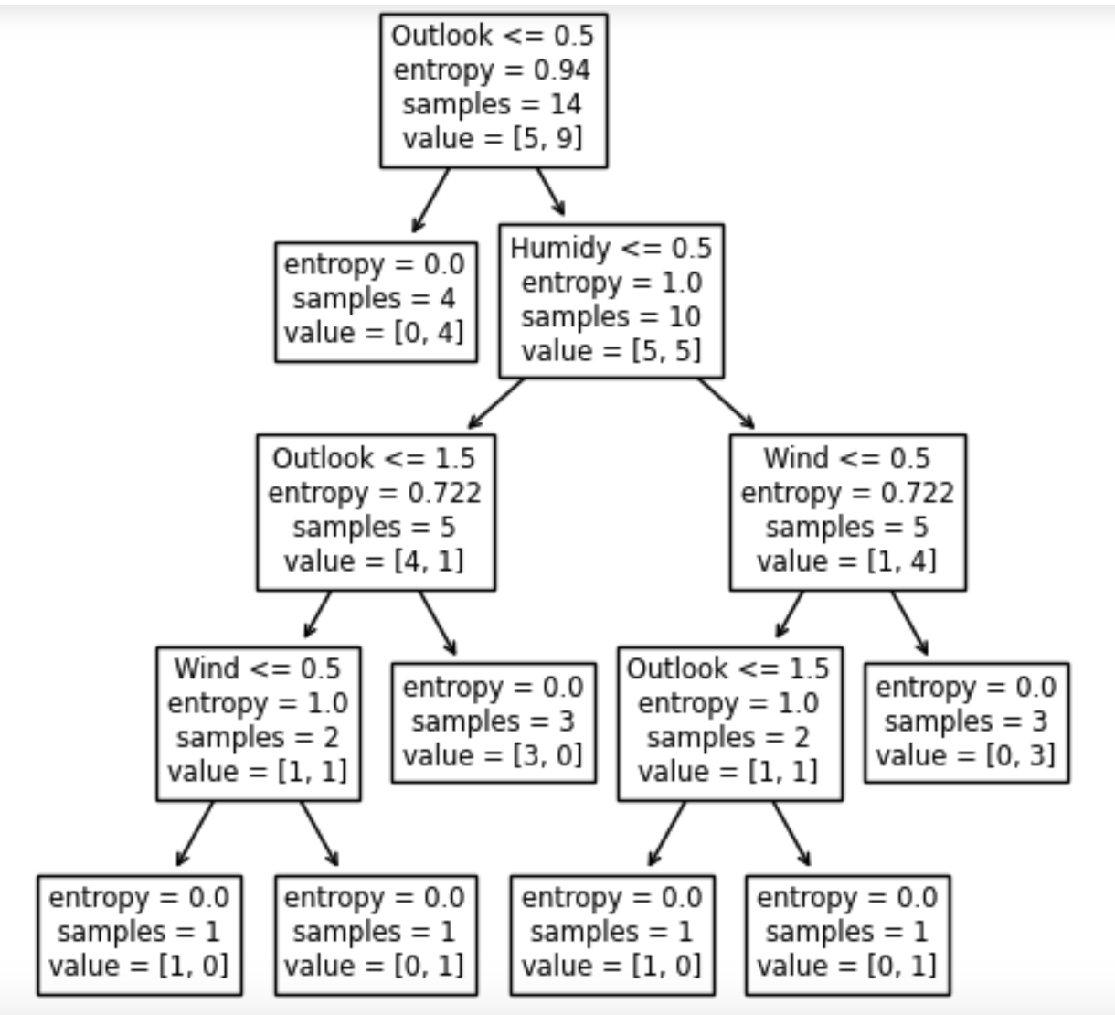
Calculating Information Gain for "Outlook":
 |  | Entropy(S) (Total) | 0.942
 |  |  | Sunny | Rain | Overcast
 |  | (Weighted Avg) | 0.35714285714 | 0.35714285714 | 0.28571428571
 |  | Entropy (each feature) | 0.971 | 0.971 | 0
 |  | WA * E(each) | 0.34678571429 | 0.34678571429 | 0
 |  | Info Gain: | 0.248

Calculating Information Gain for "Humidity":
 |  | Entropy(S) | 0.942
 |  |  | High | Normal
 |  | (Weighted Avg) | 0.5 | 0.5
 |  | Entropy (each feature) | 0.985 | 0.59
 |  | WA * E(each) | 0.4925 | 0.295
 |  | Info Gain: | 0.154

Calculating Information Gain for "Wind":
 |  | Entropy(S) | 0.942
 |  |  | Weak | Strong
 |  | (Weighted Avg) | 0.57142857143 | 0.42857142857
 |  | Entropy (each feature) | 0.81 | 1
 |  | WA * E(each) | 0.46285714286 | 0.42857142857
 |  | Info Gain: | 0.051

